COVER
CONFIDENTIAL 08/01/2025 RELEASE 2025 AUTHORIZED DEALER PRICE BOOK NET TERMS P
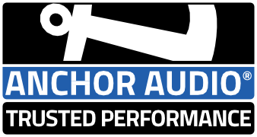 CONTACT US Office hours: Monday - Friday 7:00am - 4:00pm PST 800.262.4671 x1 | 760.827.7100 | email: sales@anchoraudio.com Located in Carlsbad, CA 92008 Click here to get in touch with a member of our Sales Team. For product or service related questions please contact our Service Team or use our Technical Support form. 800.262.4671 x2 techsupport@anchoraudio.com

DEALER PROGRAM
 | 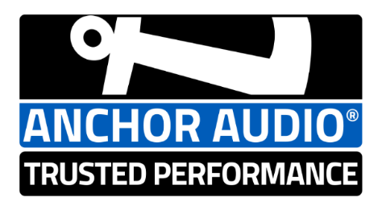 Confidential 2025 Authorized Dealer Program
Item | Program element | Reference | Description
1 | Dealer Agreement | Active Dealer Network | Dealer agreement required to appoint customers' account as active in network and document policies. Agreements renew in a 2 year cycle
2 | Volume and Agreement | $10,000 | Annual Purchase Volume Requirement (per location)
3 | Eligible Sales Channels | All | Some Sales Channels may not qualify for program. Support provided for account status and qualification
4 | Product Line ID | Systems | Dealer Product Catalog included all PA products with 6 digit SKUs used to determine wireless mic combinations and product technology configurations including AIRFLEX, AIR, COMP, etc. New Liberty 3 Basic, Link, Hub, Hub Connect models with new Series 3 mics are now included
5 | Pricing | Price Lists | Dealer Network price books published for both Net Terms or Credit Card account payment type. These are available in XLS and pdf file formats. Separately we release MSRP Only and Service Part only versions.
6 | Pricing, payment terms | Dealer Network Pricing | Dealer Network qualification and minimum purchase level volume required. Payment terms N30, requires credit approval. No discount terms available.
7 | Stocking Discounts | Yes | Available on Stocking orders of standard items, over $10,000, contact Regional Sales & Service Representative for details
8 | Dealer Demo Program | Additional 10% | Dealer Demo Product Program Discount logs serial numbers for gear assigned to in-field/in-store demonstrations, keys to success!
9 | Product Trial Program | Yes | Product Trial Program: "Try it - You'll like it!" Dealer program applied to End Users on 30 Day time period, proven successful with high close rate
10 | Opportunity Bid Registration Program | Additonal 3% | Dealer Discount benefit for eligible deals, bid registrations >$2K, logs qualified, eligible and approved registration forms
11 | Warranty Plus Upgrade Program | Additional 10% | Dealer program supports sales of new gear at accomodation prices to end users with out-of-warranty gear. Lower cost UPGRADE prices provide viable options to solve out of warranty dead-ends, or system changes for wireless technology upgrades. (Out of warranty Product Serial Number required on application form required submitted for Warranty Plus approval)
12 | Expand Your Anchor Program | Additional 5% | Empowers Dealers to close sales of additional Anchor Audio gear by adding and or expanding a system sold in the prior 24 months at lower cost. Previous sale invoice reference or product serial number data required on form to be submitted for "Expand Your Anchor Program" approval
13 | Freight | Fed-Ex | Fed-Ex freight estimates can be provided as part of the quote process. Orders can be drop shipped at no additonal fee when entire order destined to one business address. We cannot support shipping orders using dealers' freight account.
14 | Free freight | Fed-Ex | Orders totaling $7500 or higher shipping to a single location in the US lower 48 states qualify for Free FedEx Ground Freight (APO/FPO addresses excluded)
15 | Minimum order | $15 fee | Orders less than $400 are subject to a $15 minimum order processing fee. Exceptions for your convenience are: Wireless mic WH-LINK (or) WB-LINK & Mic element *-LINK
 | * Program eligibility subject to account qualification and volume requirements. Program available to qualified active, authorized network dealers in good standing. Prices subject to change without notice. Please refer to Anchor Audio Dealer Agreement for complete details. Excludes accounts on non-standard programs and international customers. All products and marketing materials are subject to availability. Anchor Audio reserves the right to change product, pricing, program , or delivery without notice. Confidential Dealer Network Price List details provided on adjacent workbook tabs.
 | ©2022, 2023, 2024, 2025 Anchor Audio, Inc. All rights reserved

